Design Regulator
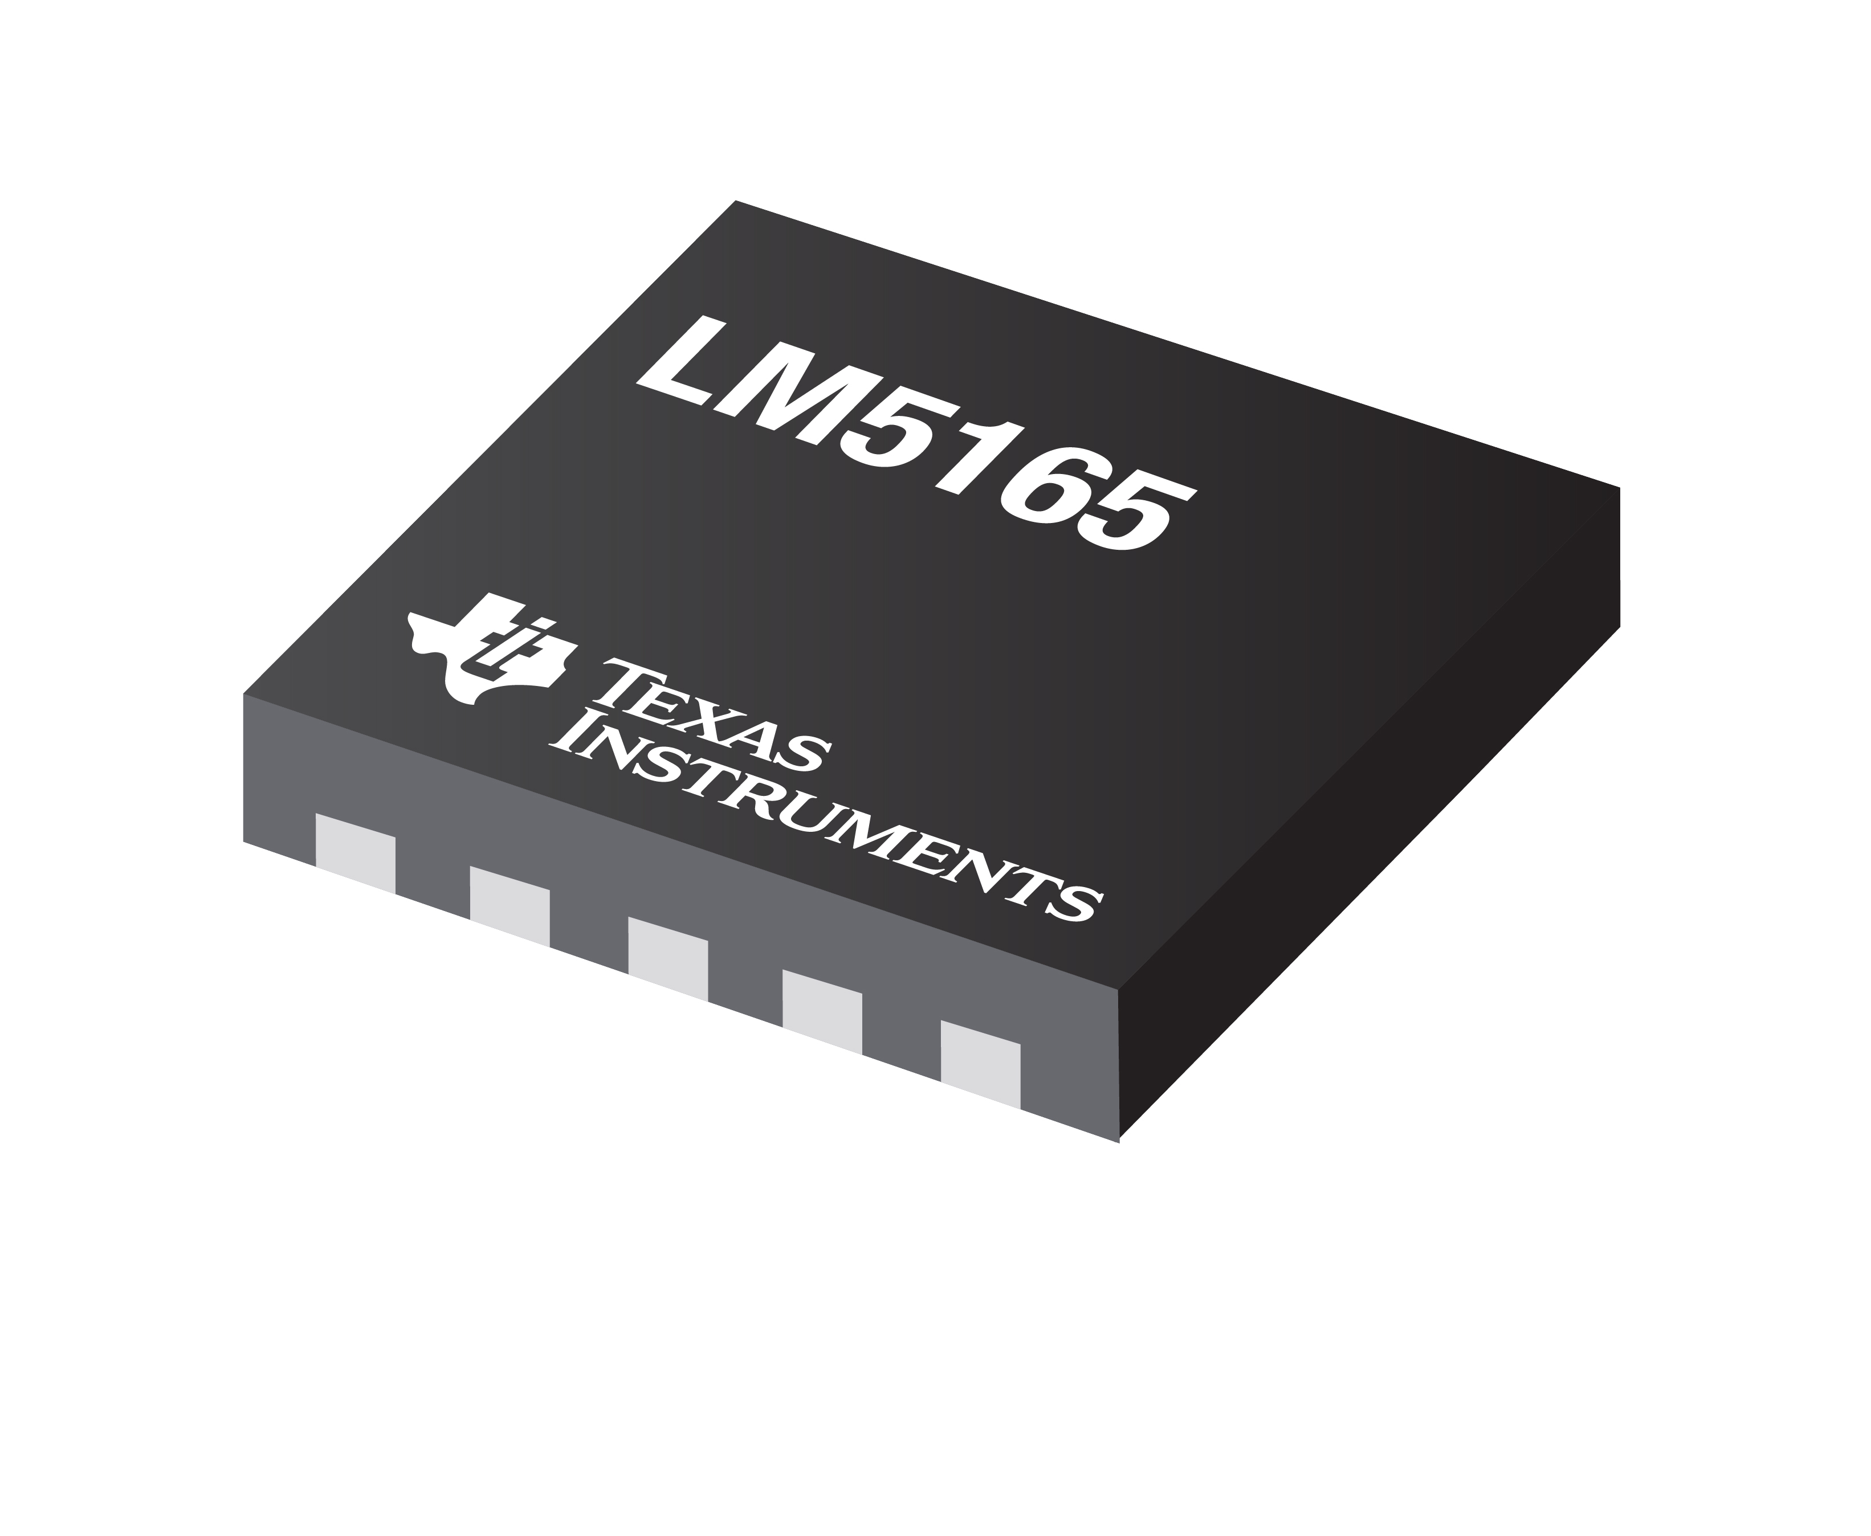
LM5165 Low IQ DC/DC Converter Design Tool
 |  |  |  |  | http://www.ti.com/product/lm5165
About | xx |  |  | = Input Box | Terms Of Use

L_{F}
220µH
Step 1: Operating Specifications
 |  | Input Voltage - Min, VIN(min) | 30 | V
 |  | Input Voltage - Nom, VIN(nom) | 43 | V
43V
5V
 |  | Input Voltage - Max, VIN(max) | 50 | V
150mA
 |  | Output Voltage, VOUT | 5 | V
30V...50V
Resr
 |  | Full Load Current, IOUT | 150 | mA
1.5Ω
 |  | Mode of Operation
C_{IN}
 |  | Switching Frequency at VIN(nom) | 250 | kHz
4.7µF
C_{OUT}
 |  | RT Resistance | 124 | kΩ
100µF
Step 2: Filter Inductor
 |  | Peak Inductor Current Setting, IL(pk)
 |  | Recommended Filter Inductance | 236 | µH
 |  | Inductance, LF | 220 | µH
Css
 |  | Inductor DCR | 300 | mΩ
47nF
 |  | Pk-to-Pk Ripple Current | 83 | mApk-pk
 |  | % Ripple Current at Nom VIN | 55 | %

Rt
124kΩ
Step 3: Input & Output Capacitors
 |  | Minimum Output Capacitance | 7 | µF
 |  | Output Capacitance, COUT | 100 | µF
 |  | Recommended ESR | >0.99 | Ω
 |  | Total ESR & Series Resistance | 1.5 | Ω
 |  | Resulting Output Voltage Ripple | 124 | mVpk-pk
 |  | Minimum Input Capacitance | 0.47 | µF
 |  | Input Capacitance, CIN | 4.7 | µF
 |  | Input Capacitor ESR | 3 | mΩ
 |  | Resulting Input Voltage Ripple | 14 | mVpk-pk

Step 4: Feedback, Soft-start, UVLO
 |  | *Connect VOUT pin to Point of Regulation | 210 | kΩ
 |  |  | 68.1 | kΩ
#NOME?
 |  | Soft-Start Configuration
 |  | Soft-Start Time | 6 | ms
 |  | Soft-Start Capacitance, CSS | 47 | nF
 |  | Input UVLO Configuration
 |  | *Connect EN pin to VIN or Logic HIGH | 20 | V
 |  | *Connect HYS pin to GND | 18 | V
 |  | Upper UVLO Resistor, RUV1 | 1 | MΩ
 |  | Lower UVLO Resistor, RUV2
 |  | UVLO Hysteresis Resistor, RHYS

Step 5: Efficiency & Thermals
 |  | Estimated Thermal Impedance, JJA | 157 | °C/W
 |  | Ambient Temp, TA | 85 | °C
 |  | LM5165 Power Dissipation at Full Load, PD | #NAME? | mW
 |  | LM5165 Junction Temp at Full Load, TJ | #NAME? | °C

BOM & Schematic
L_{F}

220µH
43V
5V
150mA
30V...50V
Resr

C_{IN}
1.5Ω
4.7µF
C_{OUT}

100µF

Css
47nF

Rt
124kΩ

VIN = 43 V, VOUT = 5 V, IOUT = 150 mA COT Converter
Low IQ, High Efficiency, Synchronous Buck Converter BOM
Count | Ref Des | Value | Description | Size | Part Number | MFR | Footprint (mm) | Area (mm2)
1 | CIN | 4.7µF | Capacitor, Ceramic, 4.7µF, 100V, X7R, 10% |  | Std | Std | 3.2 x 1.6 | 5.1 |  |  |  | 4
5 | COUT | 100µF | Capacitor, Ceramic, 100µF, 6.3V, X7R, 10% |  | Std | Std | 3.2 x 1.6 | 5.1 |  |  |  | 4
1 | Css | 47nF | Capacitor, Ceramic, 47nF, 16V, X7R, 10% | 0603 | Std | Std | 1.0 x 0.5 | 0.5 |  |  |  | 1
1 | LF | 220µH | Inductor, 220 µH, 300 mΩ, >0.29A | - | Various | Various | 4.0 x 4.0 | 16.0 |  |  |  | 2
- | RILIM | - | Tie ILIM to GND | - | - | - | - | - |  |  |  | 1
1 | RT | 124k | Resistor, Chip, 124kΩ, 1/16W, 1% | 0603 | Std | Std | 1.0 x 0.5 | 0.5 |  |  |  | 1
- | RFB1 | N/A | - | 0603 | - | - | - | - |  |  |  | 1
- | RFB2 | N/A | - | 0603 | - | - | - | - |  |  |  | 1
1 | RESR | 1.5 | Resistor, Chip, 1.5Ω, 1/16W, 1% | 0603 | Std | Std | 1.0 x 0.5 | 0.5 |  |  |  | 1
1 | RPGOOD | 10k | Resistor, Chip, 10kΩ, 1/16W, 1% | 0603 | Std | Std | 1.0 x 0.5 | 0.5 |  |  |  | 1
- | RUV1 | N/A | - | 0603 | - | - | - | - |  |  |  | 1
- | RUV2 | N/A | - | 0603 | - | - | - | - |  |  |  | 1
- | RHYS | N/A | - | 0603 | - | - | - | - |  |  |  | 1
1 | U1 | LM5165 | IC, LM5165, Low IQ Buck Converter, 3V–65V Input | VSON-10 | LM5165XQDRC | TI | 3.0 x 3.0 | 9.0

 |  |  |  |  | Total Solution Size (buffered by 25%) |  |  | 46.5 | mm2 = | 0.0721 | in2

NOTES:
* Choose an inductor with saturation current rating higher than the peak inductor current setting for all operating temperatures *
** Appropriately derate effective input and output capacitances for applied voltage and temperature, particularly with ceramics **

